Churn chart
Month | Total_churn_rate | Churn_rate_30 | Churn_rate_87
2017-01-01 | 0.16168717047 | 0.07560137457 | 0.25179856115
2017-02-01 | 0.18979591837 | 0.073359073359 | 0.32034632035
2017-03-01 | 0.27425821973 | 0.11731843575 | 0.48587570621

Churn Rate Changes

Month | Overall churn_rate
2017-01-01 | 0.16168717047
2017-02-01 | 0.18979591837
2017-03-01 | 0.27425821973

Questions
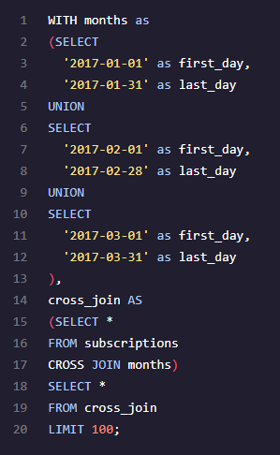
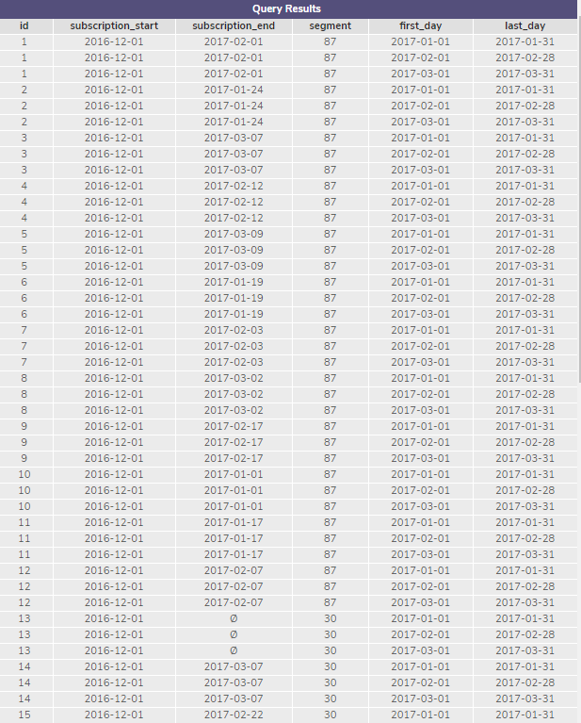
Take a look at the first 100 rows of data in the subscriptionstable. How many different segments do you see?
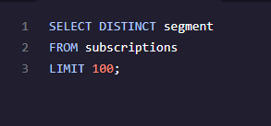

we can simply use a SELECT DISTINCT statement to view the unique segments.
We see that they're two avaliable segments 87 & 30.

Determine the range of months of data provided. Which months will you be able to calculate churn for?

we select the minimum and maximum from the column subscription_start , I choose to describe alias AS earliestmonth and lastestmonth.
Our data range is between 12/1/16 & 3/30/17

You'll be calculating the churn rate for both segments (87 and 30) over the first 3 months of 2017 (you can't calculate it for December, since there are no subscription_end values yet). To get started, create a temporary table of months.
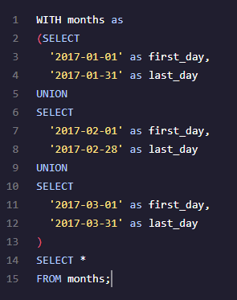

Create a temporary table, cross_join, from subscriptions and your months. Be sure to SELECT every column.

